Instructions
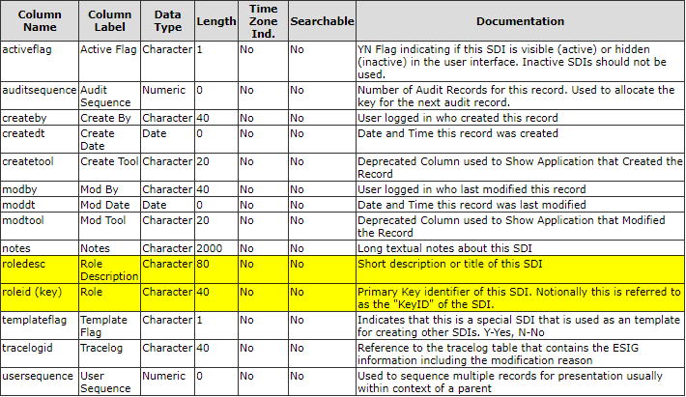
Important practices to follow when using this document
 | This is a stand-alone Excel workbook. It makes no connection to any database and does not have knowledge of the LabVantage schema or the data currently in your database. Some training and understanding on your part is expected in order to properly use this tool.
 | Do not change: worksheet names, the starting row of table data (row 4), or the column position of data on a worksheet. Do not edit the "Lists" worksheet.
 | This workbook is designed such that you should work left to right with these worksheets. For example, start with Roles then move to Contacts and so forth. Some worksheets will validate your entries based on data that you entered on previous worksheets.
 | Columns with a pale yellow background are required; leaving them blank will cause the data import to fail.
 | Rows being added to a worksheet must be added inside of the colored table. To do this, right-click inside any colored table after row 4 and select Insert > Table Rows Above/Below. Failure to do this may result in your data being entered without validations and without being included on further selection lists within this workbook. Do not insert table columns.
 | An import will process a worksheet until it finds an empty row after row four. Do not leave any higher numbered row blank before moving to the next row. Any data you enter after a blank row will not be imported.
 | All columns will have a maximum length of data that can be imported. A validation is performed when you type data into a column of this spreadsheet. If the data is too long, an error will be returned. If the data is pasted in, this validation is bypassed and the import will truncate your entry to make it shorter. If this results in a non-unique value for an identifier, the import will fail.
 | Use the drop-lists to enter values or to see what the valid values are. Pasting invalid values into a column will cause the import to fail.
 | Some items, such as Locations, support a parent-child hierarchy. The parent and child cannot be created in one import. First import the parent. Then add children during a second import.
 | Refer to the LabVantage Product Documentation for an undertanding of the meaning for each column.
 | Refer to the LabVantage Configuration Report for an explaination of the type of data expected in each column. Example…

